1. Title Page
Instacart Basket Data Analysis & Citation Details

Project Overview:
Project Name/Title: Instacart Basket Analysis
Project Objective: This project analyzes Instacart's customer data to identify shopping patterns, understand customer demographics, and inform targeted marketing strategies.
Date: 3/24/2025
Analyst Name: Olufemi Ige
Contents:
Population Flow
Consistency checks
Wrangling steps
Column derivations
Visualizations
Citations:
Primary Dataset: “The Instacart Online Grocery Shopping Dataset 2017,” Accessible at:
Instacart Market Basket Analysis | Kaggle
Supplementary Dataset: Additional customer data provided by CareerFoundry.
Key Deliverables:
a. Segmented customers by region, age, income, and family structure.
b. Analyzed shopping behavior, product preferences, and order frequency.
c. Developed actionable marketing recommendations for Instacart.
Recommendations

2. Population Flow
Title page

Population flow

Exclusion flag
Condition: max_order <
Obervations to be removed:
Final total count of order_products_all:

Orders_products_combined
Orders_products_merged
Orders_products_all

Total: 32,434,489
Total: 32,434,489
Total: 32, 434,489

1.) The grey boxes in the first row of the population flow represent the original data sets as they were when you downloaded them. In the Total fields you need to add the count of the rows when you imported the data set into Jupyter.
2.) The second row of boxes (coloured) represents the data sets after you manipulated them, e.g., removed missing values and duplicates. In the Total fields you need to add the count of the rows after conducting these operations. This offers a visual oveview of how the data flows throughout the data consistency checks.
3.) The third row, where also the arrows are coloured, represents the merges you performed between the datasets. In the Total fields you need to add the count of the rows in the merged datasets, so that you end up with the final dataset (in the red box). Keep in mind the final dataset should be without exclusions (based on the exclusion flag).

3. Consistency checks
 |  |  |  | Title page
Consistency checks

Dataset | Missing values | Missing values treatment | Duplicates
orders | 206,209 | It was assumed that these missing values corresponded to first-time orders by customers, so the missing values were filled with "0" to reflect this assumption. | 0
products | 16 | The rows were removed enitrely as it's crucial for products to have names | 5
orders_products_prior | 0 | No missing values, therefore no treatment for it conducted | 0

4. Wrangling steps
 |  |  |  | Title page
Wrangling steps

Columns dropped | Columns renamed | Columns' type changed | Comment/Reason
eval_set was dropped from the orders dataset. |  |  | The eval_set column was dropped from the orders dataset because it was unnecessary for the specific analysis and tasks being performed. This column typically categorizes data into sets (e.g., "train," "test," "validation") for modeling purposes, but since the focus here was on cleaning, transforming, and analyzing the data rather than building or validating machine learning models, it was not relevant. Removing unused columns helps streamline the dataset and improve efficiency.
 | order_dow was renamed to orders_day_of_the_week |  | Renamed for better clarity
 |  | In the orders dataset, the following were changed: 1. The order_id and user_id were changed from integers to strings (int to str). 2. The order_number was also changed from an integer to a string (int to str). | The datatypes were changed to ensure consistency, simplifies manipulation, and reduces the risks of misinterpretations of results.
Unnamed: 0 |  |  | It provided no meaningful information for analysis.
 |  | days_since_prior_order | Initially stored as float64, converted to Int64. Reason: To optimize data storage and facilitate cleaner analysis by removing decimal points where integer values sufficed

5. Column derivations
 |  |  |  | Title page

Column derivations and aggregations

In this tab you should add tables below that the frequences of flags/label variables that you produced after deriving them. NB: don't do this for continuous variables, only for flags.
Dataset | New column | Column/s it was derived from | Conditions
ords_prods_merge: A combined dataset that contains information on orders and products. | price_range | prices column | Products with prices ≤ 5 are labeled as "Low-range product." Products with prices > 5 and ≤ 15 are labeled as "Mid-range product." Products with prices > 15 are labeled as "High range."
 | price_range_loc | The prices column, using the .loc() method | Prices ≤ 5: "Low-range product. Prices > 5 and ≤ 15: "Mid-range product. Prices > 15: "High-range product
 | busiest_day | orders_day_of_week column | Day 0 (Saturday): "Busiest day." Day 4 (Wednesday): "Least busy." Other days: "Regularly busy."
 | Revised busiest_day Column (Renamed to include plural "Busiest days") | orders_day_of_week column. | Days 0 and 1 (Saturday and Sunday): "Busiest days." Days 3 and 4 (Tuesday and Wednesday): "Slowest days." Other days: "Regularly busy."
 | busiest_period_of_day column | order_hour_of_day column. | Specific ranges of hours were classified into periods of the day, such as "Morning," "Afternoon," "Evening," or "Night." The busiest periods were flagged based on the highest concentration of orders during specific hours.
ords_prods_merge | Loyalty Flag | Created from the column max_order, which represents the maximum order number for each user. | 1. Customers with more than 40 orders: "Loyal customer". 2. Customers with 11–40 orders: "Regular customer". 3. Customers with 10 or fewer orders: "New customer".
 | Spender Flag | Based on the average_spend column, calculated as the mean product prices for each user. | Customers with an average spend of less than $10: "Low spender". Customers with an average spend of $10 or more: "High spender".
 | Frequency Flag | Derived from Customer_frequency, which is the median of the days_since_prior_order column for each user | Customers with a median order interval of 10 days or fewer: "Frequent customer". Customers with a median order interval between 11 and 20 days: "Regular customer". Customers with a median order interval of more than 20 days: "Non-frequent customer".

6. Visualizations
 |  |  |  | Title page

Visualisations

In this tab you should include all the visualtions from Exercises 4.9 and 4.10, alongside the questions from the project brief that they answer. Include any commentary on the relationship between different variables.

Visualizations | Questions from the project brief that they Answered | Comments on r/ship btw variables | Visualizations
Histogram | This visualization answered the brief question below related to customers purchase patterns such as: What are the busiest days and hours for orders? | Order Hour of Day: The relationship between the time of day (hour) and the frequency of purchases was highlighted in this visualization. The data revealed that activity increases during working hours, with a clear midday peak. This indicates that shopping habits are influenced by human activity cycles—possibly related to lunch breaks or free time during the day. The histogram suggests that the most purchases occur between 8 AM and 4 PM, and peaking around noon. | 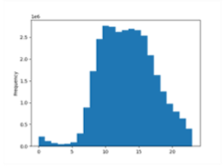 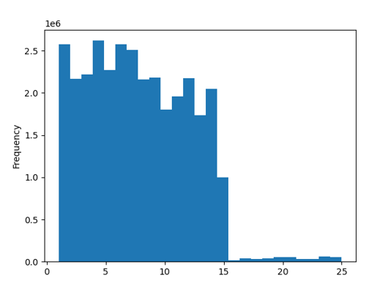
Bar Chart | This visualization answered the brief questions below related to customers behaviors and product analysis. Product Analysis Questions: 1. Which price ranges are most effective for marketing efforts? 2. What types of products are most popular and in which departments? Customers Behavior Questions: 1. What is the distribution of customer loyalty (e.g., regular vs. loyal customers)? 2. How do ordering habits differ by loyalty status or customer region? 3. Is there a link between age, family status, or other demographic factors and ordering behavior? | 1. (Product Analysis) Loyalty Flag: The relationship here was between customer loyalty categories (new, regular, loyal) and their frequency within the dataset. The insight that most customers are "regular" emphasizes the importance of maintaining customer relationships, while also potentially identifying opportunities to convert regular customers into loyal ones. 2. Customer Behavior (Customer Loyalty vs. Order Habits): While primarily descriptive, this visualization indirectly explored relationships by showing how customer loyalty could influence order frequency or preferences. Regular customers make up the largest group, frequently returning but not necessarily loyal, while loyal customers, though fewer, likely provide consistent revenue. New customers are the smallest segment, suggesting a need for marketing efforts to attract more first-time buyers. | 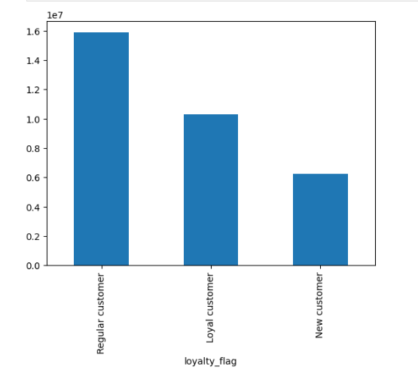 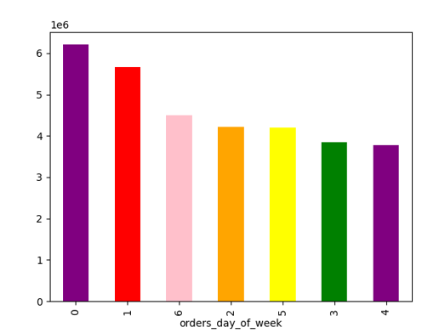
Line Chart | This visualization answered the brief questions below related to purchases pattern such as: 1. When do people tend to spend the most money? 2. Is there a connection between age and family status in terms of ordering habits? | Price vs. Hour of Day variables: This chart revealed how pricing trends vary throughout the day. The relationship between these variables suggests that customers might prefer purchasing higher-priced items during specific hours, perhaps indicating a pattern of planned purchases at certain times. Additionally, higher prices in the early morning (0-6 AM) may indicate fewer orders but premium purchases, while lower prices in mid-morning (9-10 AM) suggest more essential or budget-friendly items. Prices rise steadily in the afternoon and evening, reflecting peak shopping hours with a mix of mid-to-high priced products. Age vs. Number of Dependents: This examined how age correlates with family responsibilities, represented by the number of dependents. The weak relationship here indicates that other variables (like cultural or personal factors) likely play a larger role in determining family size or structure. The number of dependents varies widely across all age groups, suggesting that family responsibilities are not strictly tied to a specific age range and that that other things besides age are more important in determining how many dependents someone has. | 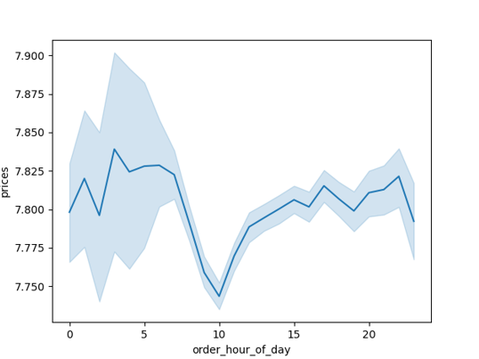 
Insight:. The scatterplot shows that there are two main groups of people: those with lower incomes and those with higher incomes. Getting older doesn't necessarily mean you'll earn more money. Something else, like your job or education, probably has abigger impact on your income .
Scatter Plot & Heatmap | This visualization answered the brief questions below related to gaining insights into customers' demography such as: Questions: 1. What insights can be gained from demographic data, such as age, income, and family status? 2. How do different customer profiles influence order frequency, product selection, and spending habits? 3. What impact does age have on income? 4. What classifications does the demographic information suggest? (Age, income, etc.) | Age vs. Income: This plot showcased the relationship between age and income. The lack of strong correlation suggests that income disparities are driven more by external factors (e.g., occupation, education) rather than age alone. The clear clustering of low and high-income groups hints at the stratified nature of earnings. Younger individuals typically have lower incomes due to early career stages, while income grows with experience, career advancement, or wealth accumulation. High earners later in life may include executives, business owners, or investors. | 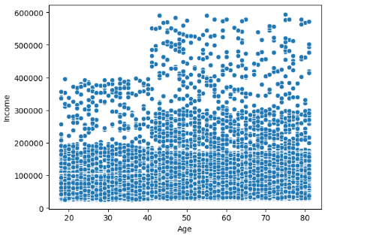 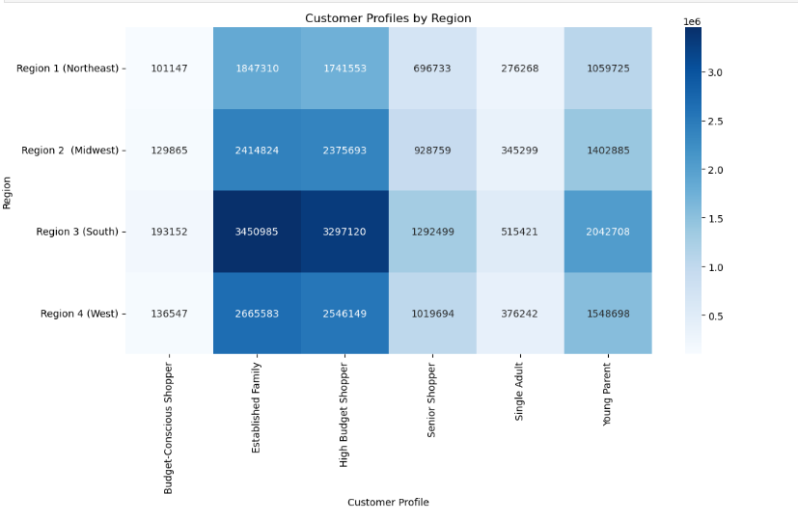

7. Recommendations
 |  |  | Title page

Recommendations

In this tab you should include any recommendations you would made to Instcart in terms of their marketing strategy based on the questions posed in the brief. Every key question has been covered in the Tasks of the Exercises - here you need to add an item - a visualisation or table/crosstable that is showing the answer in the data, acompanied by a comment from you. Please, list the questions below and add the answer underneath.

Question | Answer | Recommendations
Key Question 1: What the busiest days of the week and hours of the day are (i.e., the days and times with the most orders) in order to schedule ads at times when there are fewer orders. | The analysis results show that the busiest days of the week and hours of the days respectively are: 1. Busiest days: Saturdays, represented as 'Day 0' in the analysis and Sundays represented as 'Day 1' in the analysis. 2. Busiest hours of the days are between 10:00 AM and 1:00 PM 3. Gradual descrease in orders begins after noon from 1 PM - 5 PM 4. Low activity period is observed from 9 PM - 5 AM 5. Days with the least orders are Mondays and Fridays | Based on the analysis results show that the most orders peak around 1 PM, therefore, it is recommended that the sales team should run promotions before peak hours (8 AM – 9 AM) and optimize business operations during peak hours (10 AM – 1 PM) by ensuring product availability, managing order processing, and allocating more staff.
Key Question 2: Are there particular times of the day when people spend the most money? | As noted above, the particular times of the day people spend the most correspond to the busiest hours (10:00 AM and 1:00 PM). | The data indicates peak spending occurs Saturdays and Sundays from 10 AM to 1 PM. I recommend that Sales and Marketing should prioritize advertising during this window, focusing on weekend brunch and lunch-related products with targeted campaigns and ensuring adequate inventory and delivery capacity to maximize sales.
Key Question 3: What are simpler price range groupings for Instacart's wide variety of products that marketing and sales teams can use to better target their efforts? | The analysis results in the derivation of a new column to answer this question. The new column shows the following groupings: Low-range products: Items priced at $5 or less. Mid-range products: Items priced between $5 and $15. High-range products: Items priced above $15. | To optimize sales, I would recommend that Sales and Marketing teams should employ a tiered approach: prioritize mid-range products ($5–$15) with bundles and discounts due to high volume, implement upsells for low-range items (under $5), and strategically promote high-range products during peak spending times, emphasizing premium experiences for margin growth
Key Question 4: Which product departments have the highest frequency of orders? | Based on the data analysis, the top five product departments with the highest frequency of orders are: 1. Produce 2. Dairy Eggs 3. Snacks 4. Beverages 5. Frozen These departments reflect essential and popular categories in grocery shopping especially during the weekends. | Sales and Marketing should strategically time promotions for bundles, recipes, and time-saving products within key departments (Produce, Dairy Eggs, Snacks, Beverages, Frozen) to coincide with peak spending periods, thereby maximizing customer engagement, sales and profitability.
Key Question 5: What’s the distribution among users in regards to their brand loyalty (i.e., how often do they return to Instacart)? | The date categorized users into loyalty segments based on the maximum number of orders: Loyal Customers: 40+ orders (31.9% of users). Regular Customers: 11–40 orders (49.2% of users). New Customers: ≤10 orders (18.9% of users). | Based on this result, it is recommended that the sales and marketing teams should Implement tiered loyalty programs to retain and grow spending from existing loyal customers, and employ targeted acquisition campaigns with personalized offers to convert new customers into regulars, informed by peak engagement times and high-performing product categories
Key Question 6: Whatdifferent classifications does the demographic information suggest? Age? Income? Certain types of goods? Family status? | The demographic data suggests classifications based on age (e.g., young adults, parents, seniors), income (e.g., budget-conscious or high-budget shoppers), goods preferences (e.g., produce, snacks, beverages), and family status (e.g., singles or families with dependents) | I would recommend that the teams leverage demographic insights by tailoring campaigns to specific age groups, income levels, and family statuses, such as promoting convenience products for singles or family bundles for households with dependents. Highlight popular goods across demographics to enhance personalized marketing and engagement.

